Summary
 | Validation |  | Wu, 2023
2000 | 3.12E-02 | 2000 | 3.0200%
5000 | 8.45E-04
10000 | 1.50E-04
Wu,2023
My validation runs
 | Uniform |  |  |  |  |  | sni
Number | time average (minutes) | Time Standard Deviation | l2 average | stdev | % Difference | % Error
2000 |  |  | 3.0200% | ± 2.98% | - | -
2000 | 15.22 | 1.54E+00 | 3.1219% | 1.93E-02 | 3.3% | 3.4%
5000 | 37.66 | 4.51E+00 | 0.0845% | 4.66E-04 | - | -
10000 | 63.89 | 7.01E+00 | 0.0150% | 7.01E-05 | - | -

 | RAD
 | Time Average (min) | Time Standard Deviation | Error | Error Standard Deviation | % Difference | % Error
Validation (100) |  |  | 0.02% | ± 0.00% | - | -
10 resamples | 27.37 | 1.01E+00 | 9.347% | 2.22E-01 | 199.1% | 46634.2%
100 resamples | 256.00 | 3.87E+02 | 0.078% | 6.88E-04 | 118.5% | 290.6%

 | RAR-D
 | Time Average (min) | Time Standard Deviation | Error | Error Standard Deviation | % Difference | % Error
Validation (100) |  |  | 0.03% | ± 0.01% | - | -
10 resamples | 72.48 | 6.24E+01 | 17.558% | 7.09E-02 | 199.3% | 58426.0%
100 resamples | 445.02 | 2.13E+02 | 20.228% | 1.01E-01 | 199.4% | 67326.7%

 | Validation |  | Wu, 2023
1.03 | 3.122% | 0.97 | 3.02%
2 | 0.078% | 2 | 0.02%
2 | 9.347% | 3 | 0.03%
3 | 20.228%
1 | 0.084%
1 | 0.015%
* All values are average of 10 runs except RAR-D

 | Hammersley |  | RAD, 100 |  | RAD, 10
2000 | 3.12E-02 | 2000 | 0.078% | 2000 | 9.347%
5000 | 8.45E-04
10000 | 1.50E-04

Hammersley
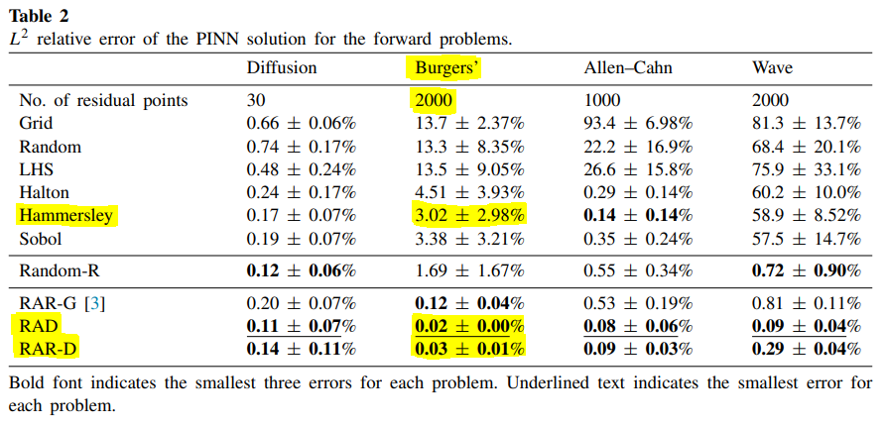
Method |  |  | Parameters |  |  |  |  |  |  | Results |  |  |  |  |  |  | Post Processing
 | filename |  | Depth | Activation function | Initialization | c | k | Training Point # | Resampling Strategy | Best model at step: | Time | Time (minutes) | Time (hours) | Test loss | L2 relative error |  | Check # Points | Plot loss | Scatter Plot
Hammersley | not saved | Been using only 1500 adam to initialise | 2, 64*3, 1 | tanh, glorot normal | N/A |  |  | 2000 | N/A | 17793 | 1181.22s | 19.7 min | 0.3 h | 6.69E-07 | 2.43E-02 |  | cant | no | no
Hammersley |  |  | 2, 64*3, 1 | tanh, glorot normal |  |  |  | 2000 |  | 17664 | 900.40s | 15.0 min | 0.3 h | 5.65E-07 | 5.44E-02
Hammersley |  |  | 2, 64*3, 1 | tanh, glorot normal |  |  |  | 2000 |  | 17846 | 911.52s | 15.2 min | 0.3 h | 5.94E-07 | 2.29E-02
Hammersley |  |  | 2, 64*3, 1 | tanh, glorot normal |  |  |  | 2000 |  | 17664 | 881.89s | 14.7 min | 0.2 h | 5.51E-07 | 4.28E-02
Hammersley |  |  | 2, 64*3, 1 | tanh, glorot normal |  |  |  | 2000 |  | 17597 | 866.54s | 14.4 min | 0.2 h | 3.70E-07 | 2.37E-02
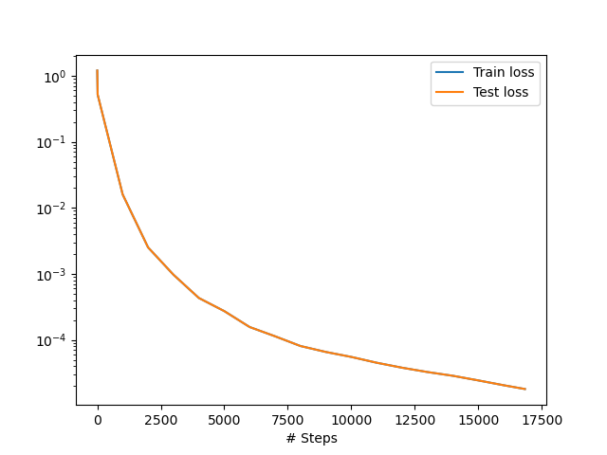
Hammersley |  |  | 2, 64*3, 1 | tanh, glorot normal |  |  |  | 2000 |  | 17823 | 906.91s | 15.1 min | 0.3 h | 5.16E-07 | 1.01E-02
Hammersley: Loss against iteration
Hammersley |  |  | 2, 64*3, 1 | tanh, glorot normal |  |  |  | 2000 |  | 17611 | 821.76s | 13.7 min | 0.2 h | 1.13E-06 | 5.09E-02
Hammersley |  |  | 2, 64*3, 1 | tanh, glorot normal |  |  |  | 2000 |  | 17863 | 893.90s | 14.9 min | 0.2 h | 5.33E-07 | 1.59E-02
*
Hammersley |  |  | 2, 64*3, 1 | tanh, glorot normal |  |  |  | 2000 |  | 17854 | 890.96s | 14.8 min | 0.2 h | 8.83E-07 | 6.35E-02
Hammersley |  |  | 2, 64*3, 1 | tanh, glorot normal |  |  |  | 2000 |  | 17674 | 878.73s | 14.6 min | 0.2 h | 5.03E-07 | 3.66E-03
Hammersley | _uniform |  | 2, 64*3, 1 | tanh, glorot normal |  |  |  | 5000 |  | 17819 | 2386.00s | 39.8 min | 0.7 h | 6.30E-07 | 1.26E-03 |  | cant | no | no
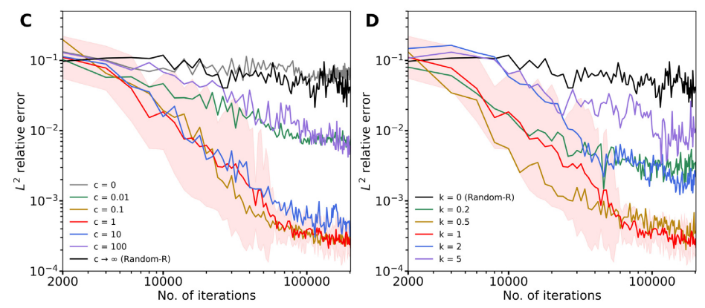
Hammersley |  |  | 2, 64*3, 1 | tanh, glorot normal |  |  |  | 5000 |  | 17803 | 2498.00s | 41.6 min | 0.7 h | 6.44E-07 | 1.02E-03
Hammersley |  |  | 2, 64*3, 1 | tanh, glorot normal |  |  |  | 5000 |  | 17973 | 1824.90s | 30.4 min | 0.5 h | 2.03E-06 | 2.78E-04
Hammersley |  |  | 2, 64*3, 1 | tanh, glorot normal |  |  |  | 5000 |  | 17934 | 2108.87s | 35.1 min | 0.6 h | 5.98E-07 | 1.07E-03
Hammersley |  |  | 2, 64*3, 1 | tanh, glorot normal |  |  |  | 5000 |  | 17942 | 2723.17s | 45.4 min | 0.8 h | 2.89E-06 | 1.25E-03
Hammersley |  |  | 2, 64*3, 1 | tanh, glorot normal |  |  |  | 5000 |  | 18057 | 1830.85s | 30.5 min | 0.5 h | 2.75E-06 | 5.48E-04
Hammersley |  |  | 2, 64*3, 1 | tanh, glorot normal |  |  |  | 5000 |  | 17741 | 2259.78s | 37.7 min | 0.6 h | 9.03E-07 | 5.72E-04
Hammersley |  |  | 2, 64*3, 1 | tanh, glorot normal |  |  |  | 5000 |  | 17887 | 2230.46s | 37.2 min | 0.6 h | 8.52E-07 | 2.55E-04
Hammersley |  |  | 2, 64*3, 1 | tanh, glorot normal |  |  |  | 5000 |  | 17854 | 2257.87s | 37.6 min | 0.6 h | 6.14E-07 | 4.64E-04
Hammersley |  |  | 2, 64*3, 1 | tanh, glorot normal |  |  |  | 5000 |  | 17801 | 2475.88s | 41.3 min | 0.7 h | 8.86E-07 | 1.73E-03
Hammersley |  |  | 2, 64*3, 1 | tanh, glorot normal |  |  |  | 10000 |  | 17779 | 4295.47s | 71.6 min | 1.2 h | 8.79E-07 | 8.16E-05 |  | cant | no | no
Hammersley |  |  | 2, 64*3, 1 | tanh, glorot normal |  |  |  | 10000 |  | 17850 | 3829.94s | 63.8 min | 1.1 h | 1.28E-06 | 1.30E-04
Hammersley |  |  | 2, 64*3, 1 | tanh, glorot normal |  |  |  | 10000 |  | 17893 | 3958.58s | 66.0 min | 1.1 h | 1.57E-06 | 1.49E-04
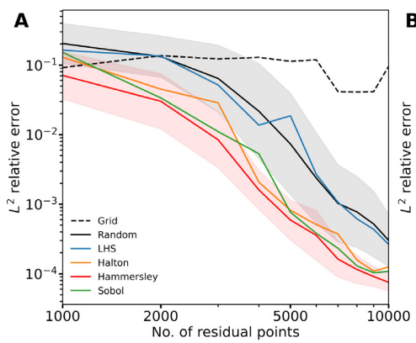
Hammersley |  |  | 2, 64*3, 1 | tanh, glorot normal |  |  |  | 10000 |  | 17831 | 3952.46s | 65.9 min | 1.1 h | 1.03E-06 | 1.29E-04
Hammersley |  |  | 2, 64*3, 1 | tanh, glorot normal |  |  |  | 10000 |  | 17862 | 3229.22s | 53.8 min | 0.9 h | 1.61E-06 | 1.61E-04
Hammersley |  |  | 2, 64*3, 1 | tanh, glorot normal |  |  |  | 10000 |  | 17845 | 3257.18s | 54.3 min | 0.9 h | 3.02E-06 | 3.42E-04
From Graph:
Average is 0.02,
max is 0.07
0.02 +- 0.05
But from Table
3.02 +- 2.98% is no where close
From my results
Close to value from their graph at 0.0312
Hammersley |  |  | 2, 64*3, 1 | tanh, glorot normal |  |  |  | 10000 |  | 17912 | 3312.50s | 55.2 min | 0.9 h | 1.82E-06 | 1.80E-04
Hammersley |  |  | 2, 64*3, 1 | tanh, glorot normal |  |  |  | 10000 |  | 17965 | 4168.50s | 69.5 min | 1.2 h | 9.80E-07 | 9.56E-05
Hammersley |  |  | 2, 64*3, 1 | tanh, glorot normal |  |  |  | 10000 |  | 17939 | 3828.40s | 63.8 min | 1.1 h | 1.26E-06 | 1.19E-04
Hammersley |  |  | 2, 64*3, 1 | tanh, glorot normal |  |  |  | 10000 |  | 17858 | 4501.85s | 75.0 min | 1.3 h | 1.05E-06 | 1.09E-04
 |  | Repeated these 3 to have loss and point data |  |  |  |  |  | 2000 |  | 31306 | 1839.66s | 30.7 min | 0.5 h | 1.58E-07 | 4.08E-02 |  | 2000 | can do | can do
 |  |  |  |  |  |  |  | 5000 |  | 31298 | 3512.60s | 58.5 min | 1.0 h | 3.27E-07 | 1.83E-03 |  | 5000 | can do | can do
 |  |  |  |  |  |  |  | 10000 |  |  | 5890.53s | 98.2 min | 1.6 h | 3.31E-07 | 6.64E-05 |  | 10000 | can do | can do
 |  |  |  |  |  |  |  | Number |  |  |  | time average | stddev |  | l2 average | stdev
 |  |  |  |  |  |  |  | 2000 |  |  |  | 15.2 min | 1.5 min |  | 3.12E-02 | 0.019267628016
 |  |  |  |  |  |  |  | 5000 |  |  |  | 37.7 min | 4.5 min |  | 8.45E-04 | 0.00046608038924
 |  |  |  |  |  |  |  | 10000 |  |  |  | 63.9 min | 7.0 min |  | 1.50E-04 | 7.0086486757E-05
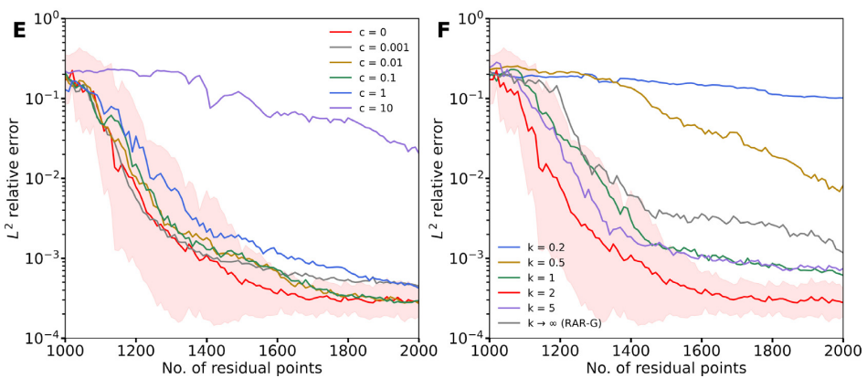

Loss and Error against Points
Hammersley Uniform - Time Taken vs Training Point #

RAR-D
Method | Filename |  | Parameters |  |  |  |  |  |  | Results |  |  |  |  |  |  | Post Processing
 |  | Notes | Depth | Activation function |  | c | k | Training Point # | Resampling strat | Best model at step: | Time | Time (minutes) | Time (hours) | Test loss | L2 relative error |  | Check # Points | Plot loss | Scatter Plot
RAR-D | _2000 | First run *10. These need to be re-done if you want to make statements on time taken. As it had the memory issue which increased the time taken by them substantially. | 2, 64*3, 1 | tanh, glorot normal | Random | 2 | 0 | 2000 | 1000+(100*10) |  | 747.01s | 12.5 min | 0.2 h |  | 1.30E-01
RAR-D |  |  | 2, 64*3, 1 | tanh, glorot normal | Random | 2 | 0 | 2000 | 1000+(100*10) |  | 1012.37s | 16.9 min | 0.3 h |  | 2.71E-01
RAR-D |  |  | 2, 64*3, 1 | tanh, glorot normal | Random | 2 | 0 | 2000 | 1000+(100*10) |  | 1406.94s | 23.4 min | 0.4 h |  | 2.98E-01
RAR-D |  |  | 2, 64*3, 1 | tanh, glorot normal | Random | 2 | 0 | 2000 | 1000+(100*10) |  | 1993.84s | 33.2 min | 0.6 h |  | 2.53E-01
RAR-D |  |  | 2, 64*3, 1 | tanh, glorot normal | Random | 2 | 0 | 2000 | 1000+(100*10) |  | 2955.20s | 49.3 min | 0.8 h |  | 1.15E-01
RAR-D |  |  | 2, 64*3, 1 | tanh, glorot normal | Random | 2 | 0 | 2000 | 1000+(100*10) |  | 3968.20s | 66.1 min | 1.1 h |  | 2.11E-01
RAR-D |  |  | 2, 64*3, 1 | tanh, glorot normal | Random | 2 | 0 | 2000 | 1000+(100*10) |  | 5735.46s | 95.6 min | 1.6 h |  | 1.88E-01
RAR-D Time Taken by different runs
RAR-D |  |  | 2, 64*3, 1 | tanh, glorot normal | Random | 2 | 0 | 2000 | 1000+(100*10) |  | 7479.75s | 124.7 min | 2.1 h |  | 6.45E-02
RAR-D |  |  | 2, 64*3, 1 | tanh, glorot normal | Random | 2 | 0 | 2000 | 1000+(100*10) | 23177 | 9613.03s | 160.2 min | 2.7 h |  | 1.37E-01
RAR-D |  |  | 2, 64*3, 1 | tanh, glorot normal | Random | 2 | 0 | 2000 | 1000+(100*10) | 23221 | 12188.36s | 203.1 min | 3.4 h |  | 1.45E-01
RAR-D | 2000_Try2 | Same settings as previous, re-did to test time (Suffix Try2) | 2, 64*3, 1 | tanh, glorot normal | Random | 2 | 0 | 2000 | 1000+(100*10) | 23162 | 738.09s | 12.3 min | 0.2 h |  | 1.19E-01
RAR-D | 2000_a | Upped initial ADAM to 15000 to see imapct (Suffix a) | 2, 64*3, 1 | tanh, glorot normal | Random, 15k | 2 | 0 | 2000 | 1000+(100*10) |  | 961.63s | 16.0 min | 0.3 h |  | 2.72E-01
RAR-D | 2000_a2 | Upped initial ADAM to 15000 to see imapct (Suffix a2) | 2, 64*3, 1 | tanh, glorot normal | Random, 15k | 2 | 0 | 2000 | 1000+(100*10) |  | 983.93s | 16.4 min | 0.3 h |  | 1.08E-01
RAR-D | 2000_100rounds | Upped to 100 rounds of resampling now | 2, 64*3, 1 | tanh, glorot normal | Random, 15k | 2 | 0 | 2000 | 1000+(10*100) | 222996 | 15832.56s | 263.9 min | 4.4 h | 5.86E-07 | 4.87E-01
 | _default |  |  |  |  |  |  | 2000 | 1000+(10*100) | 96938 | 16967.79s | 282.8 min | 4.7 h | 6.08E-07 | 2.73E-02
 | _default2 |  |  |  |  |  |  |  |  |  | 15568.87s | 259.5 min | 4.3 h |  | 2.54E-01
 | _default2 |  |  |  |  |  |  |  |  |  | 42837.97s | 714.0 min | 11.9 h |  | 3.29E-01
 |  |  |  |  |  |  |  |  |  |  | 23030.46s | 383.8 min | 6.4 h |  | 1.77E-01
 |  |  |  |  |  |  |  |  |  |  | 45968.66s | 766.1 min | 12.8 h |  | 2.24E-01
 |  |  |  |  |  |  |  |  |  |  |  |  | 0.0 h
 |  |  |  |  |  |  |  |  |  |  |  |  | 0.0 h
 |  |  |  |  |  |  |  |  |  |  |  |  | 0.0 h
 |  |  |  |  |  |  |  |  |  |  |  |  | 0.0 h
 |  |  |  |  |  |  |  |  |  |  |  | time average | stdev |  | l2 average | stdev
 |  |  |  |  |  |  |  | 2000 |  |  |  | 72.5 min | 62.4 min |  | 1.76E-01 | 0.070928462417

 |  |  |  |  |  |  |  |  |  |  |  | 445.0 min | 213.2 min |  | 2.02E-01 | 0.10054384795

RAD Time Taken by different runs
 | 25.4 min
 | 27.2 min
 | 27.5 min
 | 27.1 min
 | 27.9 min
 | 25.7 min
 | 27.9 min
 | 28.0 min
 | 28.2 min
 | 28.8 min
 | 25.5 min
 | 27.4 min
 | 26.5 min
 | 27.8 min
 | 26.7 min
 | 27.4 min
 | 26.7 min
 | 28.0 min
 | 28.6 min
 | 28.2 min

RAD
Method | Filename |  | Parameters |  |  |  |  |  |  | Results |  |  |  |  |  |  | Post Processing
 |  |  | Depth | Activation function |  | c | k | Training Point # | Resampling Strategy | Best @ Iteration: | Time | Time (minutes) | Time (hours) | Test loss | L2 relative error |  | Check # Points | Plot loss | Scatter Plot
RAD | rad_randominit | Ran in two batches of 5 | 2, 64*3, 1 | tanh, glorot normal | Random | 1 | 1 | 2000 | 10 re-Samples | 16058 | 1525.75s | 25.4 min | 0.4 h | 1.05E+00 | 1.55E-03 |  | 2000 | can do | can do
RAD | or rad_default not sure |  | 2, 64*3, 1 | tanh, glorot normal | Random | 1 | 1 | 2000 | 10 re-Samples | 16074 | 1633.89s | 27.2 min | 0.5 h | 4.57E-01 | 6.93E-03
RAD |  |  | 2, 64*3, 1 | tanh, glorot normal | Random | 1 | 1 | 2000 | 10 re-Samples | 16065 | 1647.99s | 27.5 min | 0.5 h | 2.88E+00 | 7.43E-01
RAD |  |  | 2, 64*3, 1 | tanh, glorot normal | Random | 1 | 1 | 2000 | 10 re-Samples | 36742 | 1627.65s | 27.1 min | 0.5 h | 9.90E-05 | 7.29E-03
RAD |  |  | 2, 64*3, 1 | tanh, glorot normal | Random | 1 | 1 | 2000 | 10 re-Samples | 36787 | 1672.61s | 27.9 min | 0.5 h | 3.38E-05 | 8.70E-04
RAD |  | Second Batch of 5 | 2, 64*3, 1 | tanh, glorot normal | Random | 1 | 1 | 2000 | 10 re-Samples | 30380 | 1542.93s | 25.7 min | 0.4 h | 3.10E-02 | 1.63E-01
RAD |  |  | 2, 64*3, 1 | tanh, glorot normal | Random | 1 | 1 | 2000 | 10 re-Samples | 36837 | 1675.85s | 27.9 min | 0.5 h | 8.38E-05 | 2.14E-03
RAD |  |  | 2, 64*3, 1 | tanh, glorot normal | Random | 1 | 1 | 2000 | 10 re-Samples | 28435 | 1681.56s | 28.0 min | 0.5 h | 1.03E-03 | 3.76E-03
RAD |  |  | 2, 64*3, 1 | tanh, glorot normal | Random | 1 | 1 | 2000 | 10 re-Samples | 36788 | 1689.81s | 28.2 min | 0.5 h | 6.82E-05 | 1.34E-03
RAD |  |  | 2, 64*3, 1 | tanh, glorot normal | Random | 1 | 1 | 2000 | 10 re-Samples | 16059 | 1726.21s | 28.8 min | 0.5 h | 1.89E-01 | 5.23E-03
RAD | rad_2klbfgs | Batch of 10 with 2000 lbfgs steps | 2, 64*3, 1 | tanh, glorot normal | Random | 1 | 1 | 2000 | 10 re-Samples |  | 1528.46s | 25.5 min | 0.4 h |  | 3.71E-03 |  | 2000 | can do | can do
RAD |  |  | 2, 64*3, 1 | tanh, glorot normal | Random | 1 | 1 | 2000 | 10 re-Samples |  | 1642.92s | 27.4 min | 0.5 h |  | 2.49E-03
RAD |  |  | 2, 64*3, 1 | tanh, glorot normal | Random | 1 | 1 | 2000 | 10 re-Samples |  | 1590.02s | 26.5 min | 0.4 h |  | 4.18E-03
RAD |  |  | 2, 64*3, 1 | tanh, glorot normal | Random | 1 | 1 | 2000 | 10 re-Samples |  | 1666.13s | 27.8 min | 0.5 h |  | 2.18E-03
RAD |  |  | 2, 64*3, 1 | tanh, glorot normal | Random | 1 | 1 | 2000 | 10 re-Samples |  | 1602.50s | 26.7 min | 0.4 h |  | 7.84E-02
RAD |  |  | 2, 64*3, 1 | tanh, glorot normal | Random | 1 | 1 | 2000 | 10 re-Samples |  | 1642.48s | 27.4 min | 0.5 h |  | 1.74E-03
RAD |  |  | 2, 64*3, 1 | tanh, glorot normal | Random | 1 | 1 | 2000 | 10 re-Samples |  | 1599.84s | 26.7 min | 0.4 h |  | 8.34E-03
RAD |  |  | 2, 64*3, 1 | tanh, glorot normal | Random | 1 | 1 | 2000 | 10 re-Samples |  | 1681.99s | 28.0 min | 0.5 h |  | 2.53E-03
RAD |  |  | 2, 64*3, 1 | tanh, glorot normal | Random | 1 | 1 | 2000 | 10 re-Samples |  | 1716.03s | 28.6 min | 0.5 h |  | 8.14E-03
RAD |  |  | 2, 64*3, 1 | tanh, glorot normal | Random | 1 | 1 | 2000 | 10 re-Samples |  | 1690.16s | 28.2 min | 0.5 h |  | 2.55E-01
Relative error after varying max LBFG-S steps
RAD | rad_100res |  | 2, 64*3, 1 | tanh, glorot normal | Random | 1 | 1 | 2000 | 100 re-Samples |  | 15280.20s | 254.7 min | 4.2 h |  | 2.90E-04
RAD |  |  | 2, 64*3, 1 | tanh, glorot normal | Random | 1 | 1 | 2000 | 100 re-Samples | 220800 | 42964.85s | 716.1 min | 11.9 h | 4.22E-06 | 6.75E-04
RAD |  |  | 2, 64*3, 1 | tanh, glorot normal | Random | 1 | 1 | 2000 | 100 re-Samples | 224614 | 58410.56s | 973.5 min | 16.2 h | 3.29E-06 | 3.86E-04
RAD |  |  | 2, 64*3, 1 | tanh, glorot normal | Random | 1 | 1 | 2000 | 100 re-Samples | 214194 | 81368.09s | 1356.1 min | 22.6 h | 6.79E-06 | 4.78E-04
RAD |  | Realised I might be need to reset states for reproducibility (100res2) | 2, 64*3, 1 | tanh, glorot normal | Random | 1 | 1 | 2000 | 100 re-Samples | 116151 | 15414.48s | 256.9 min | 4.3 h | 6.26E-01 | 8.92E-04
RAD |  |  | 2, 64*3, 1 | tanh, glorot normal | Random | 1 | 1 | 2000 | 100 re-Samples | 223858 | 42009.90s | 700.2 min | 11.7 h | 3.50E-05 | 2.40E-03
RAD |  | _33h_run | 2, 64*3, 1 | tanh, glorot normal | Random | 1 | 1 | 2000 | 100 re-Samples | 218264 | 120831.15s | 2013.9 min | 33.6 h | 8.55E-06 | 3.50E-04
 |  |  |  |  |  |  |  |  |  |  |  |  |  |  | l2 average | stdev
 |  |  |  |  |  |  |  |  |  |  |  | 2.74E+01 | 1.01E+00 |  | 9.35E-02 | 0.22164482527
 |  |  |  |  |  |  |  |  |  |  |  | 2.73E+01 | 8.91E-01 |  | 3.67E-02 | 0.076141771684
 |  |  |  |  |  |  |  |  |  |  |  | 7.10E+02 | 3.87E+02 |  | 7.81E-04 | 0.00068766974675

Time Taken after varying max LBFG-S steps

